Basic
An Universal 3D printer test standard
Part1: Basic Precision

Section 1
Large Scale |  |  |  |  |  |  | 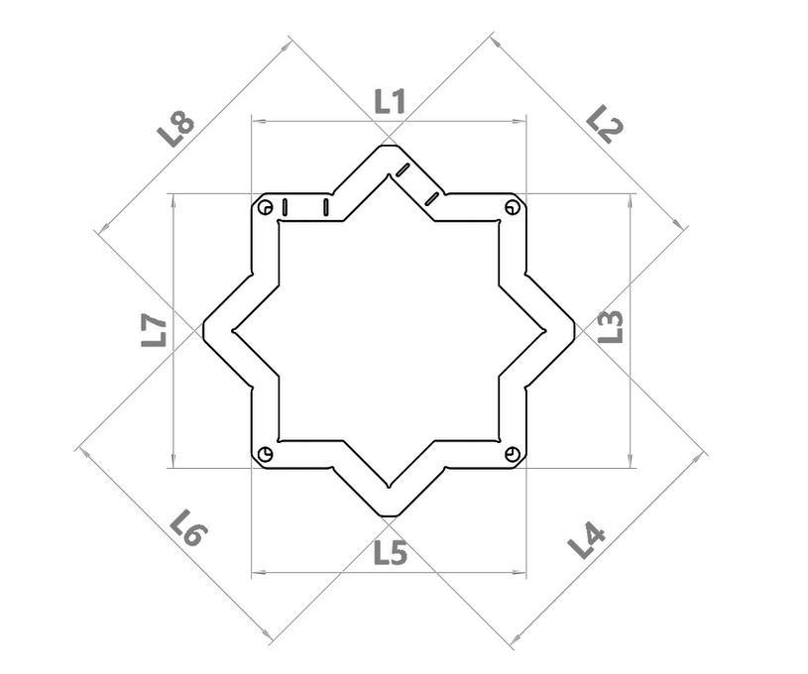
No. | Value(mm) | Average(mm) | This part will reflect the relative precision and the absolute accuracy of your printer.The International Tolerance table reference ISO 286 has been applied here.
L1 | 99.71 | 99.55
L2 | 99.51
L3 | 99.52
L4 | 99.59 |  | For this section , all data should be enter in exact order.
L5 | 99.61
L6 | 99.47
L7 | 99.42
L8 | 99.54
 |  |  | Subject | Score | Hint:All good
 |  |  | XY relative precision | 5.48 out of 6
 |  |  | XY accuracy | 2 out of 4
 |  |  | Tolerance Grade | IT12
Section 2
Small Scale |  |  |  |  |  |  |  | 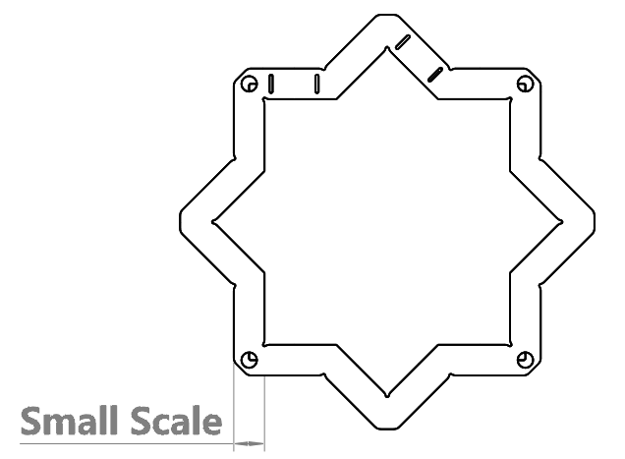
No. | Value(mm) | Average(mm) | This part will reflect the absolute accuracy of your printer.The International Tolerance table reference ISO 286 has been applied here.
1 | 9.91 | 9.89
2 | 9.90
3 | 9.86
4 | 9.86 |  | In this section no specific data order is required.You should take data from different locations on model and fill all the blank.
5 | 9.89
6 | 9.87
7 | 9.93
8 | 9.93 |  |  |  |  |  |  | 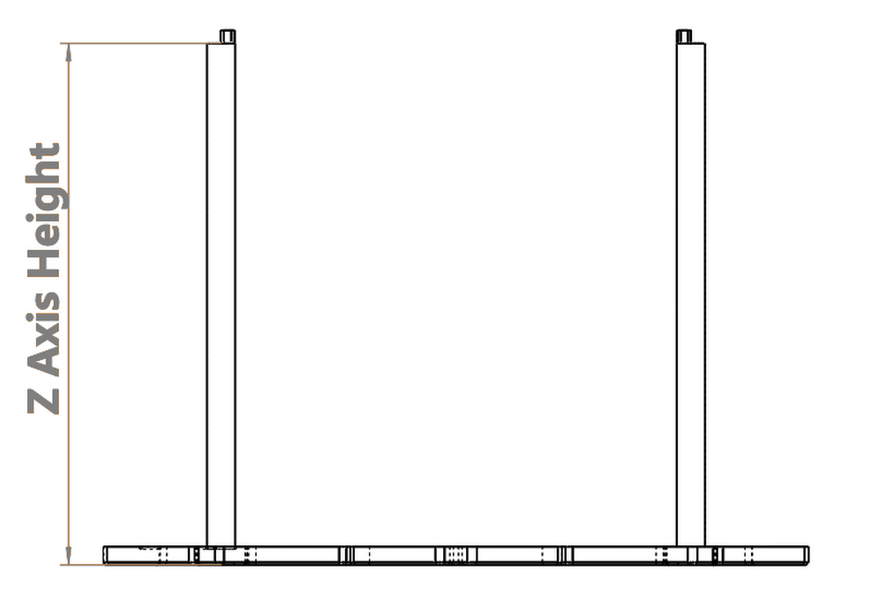
9 | 9.89
10 | 9.86
Z axis
No. | Value(mm) | Average(mm) | Subject | Score | Grade | To see more details about grade, check Misc tab
1 | 100.22 | 100.27 | Small Scale accuracy | 2.8 out of 4 | IT11
2 | 100.25
3 | 100.29 |  | Z axis accuracy | 2.8 out of 4 | IT11
4 | 100.30
End of the section, please proceed to the next tab

Engineering
BenchoO

An Universal 3D printer test standard
Part2: Engineering

Section 1
Base Quality |  |  |  |  |  |  | 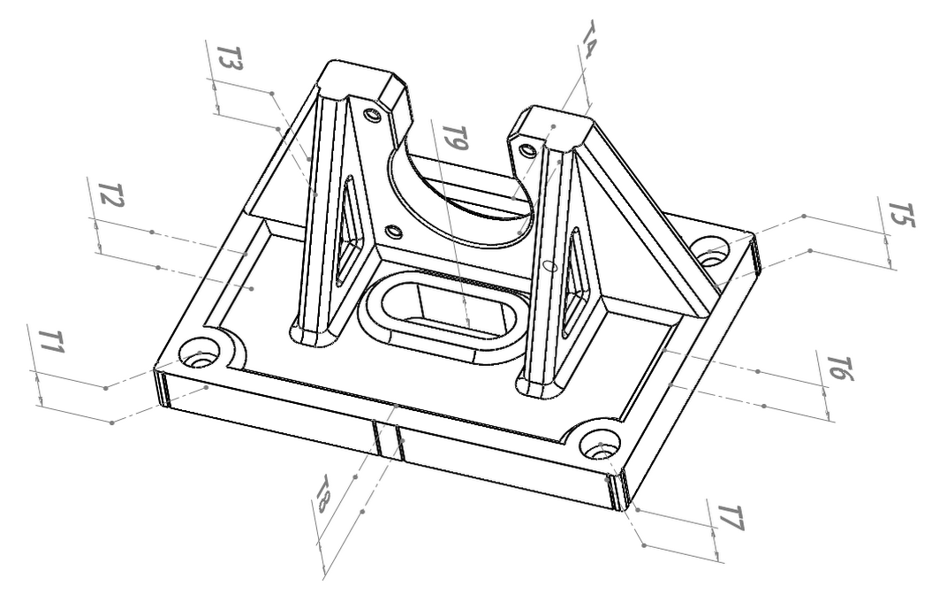
No. | Thickness(mm) | Average(mm) | Print Time |  | Hint:You must use your actual print time.
T1 | 9.86 | 9.94 | Hour | Min
T2 | 10.01 |  | 5 | 58
T3 | 9.77 |  | For this section , all data should be enter in exact order. This part measures the degree of parallel between base and surface.
T4 | 10.03
T5 | 9.87
T6 | 10.02
T7 | 9.80
T8 | 9.91
T9 | 10.21
Edge & Corner |  |  |  |  |  |  | 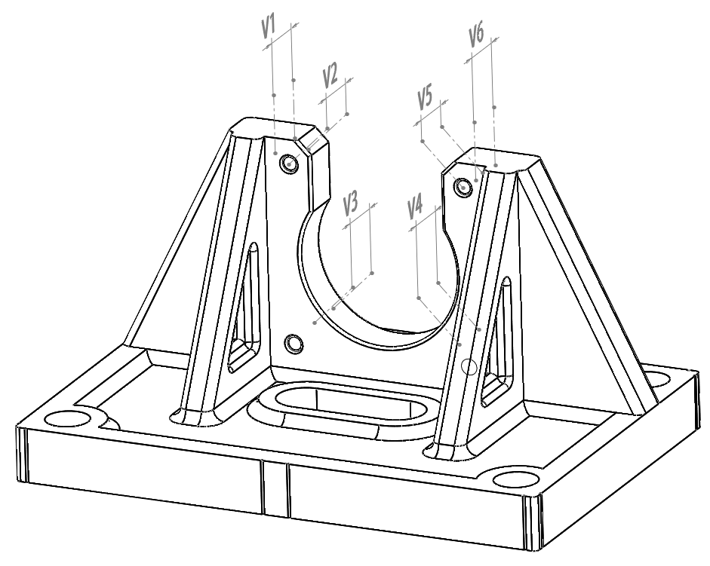
No. | Thickness(mm) | Distortion(mm) | Score | Grade | This part measures the overshoot around corner.
V1 | 7.96 | 0.14 | 4.5 out of 5 | IT9
V2 | 7.91
V3 | 7.84
V4 | 7.94
V5 | 7.82
V6 | 7.83
Parallel
Feature |  | Status | Divergence(Deg) |  | Score(%) | 98.00%
Ueven X axi |  | No | 0.00955
Ueven Y axi |  | No | 0.01910
Flatness
Feature |  | Status | Score(%) | 46.00%
Uneven thickness |  | Yes
Convex |  | Yes
Section 2
Curvature |  |  |  |  |  |  | 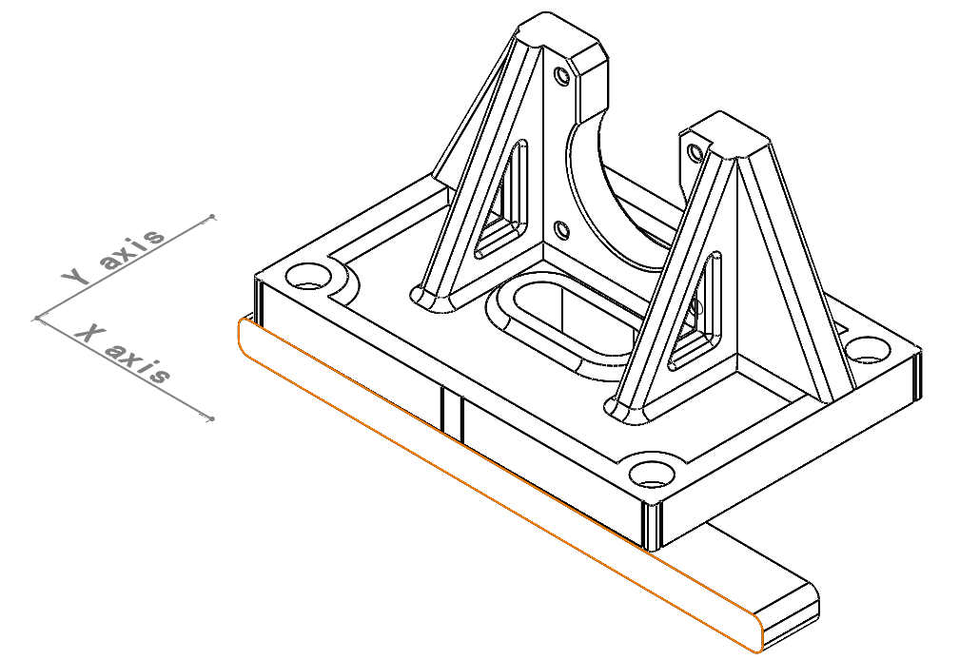
 | Bending Distance(mm)
No. | X axi
1 | 0.20
2 | 0.20
3 | 0.02
4 | 0.20
No. | Y axi
1 | 0.10
2 | 0.10
3 | 0.10 |  |  |  |  |  | 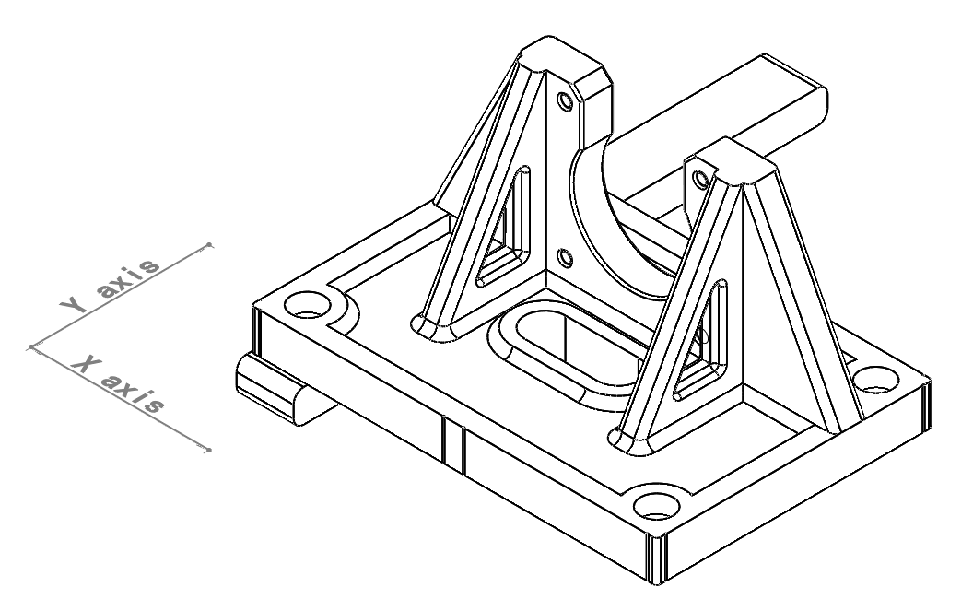
4 | 0.00
Concave Down？ |  | No
Direction |  | Radius | Score |  | The radius here refer to the circle you need if you use your base as an arc.
X axi |  | 32258.10 | 100.00%
Y axi |  | 30826.69 | 100.00%
Summary
Condition |  | Sub Total(%) | Overall(%) | Score | Hint: Even one small drawbacks can lower your score significantly
Parallel |  | 98.00% | 45.00% | 4.5 out of 10
Flatness |  | 46.00%
Curvature |  | 100.00%
Section 3
Print Time |  | Hour | Min | Hint:You must use your actual print time. |  |  | 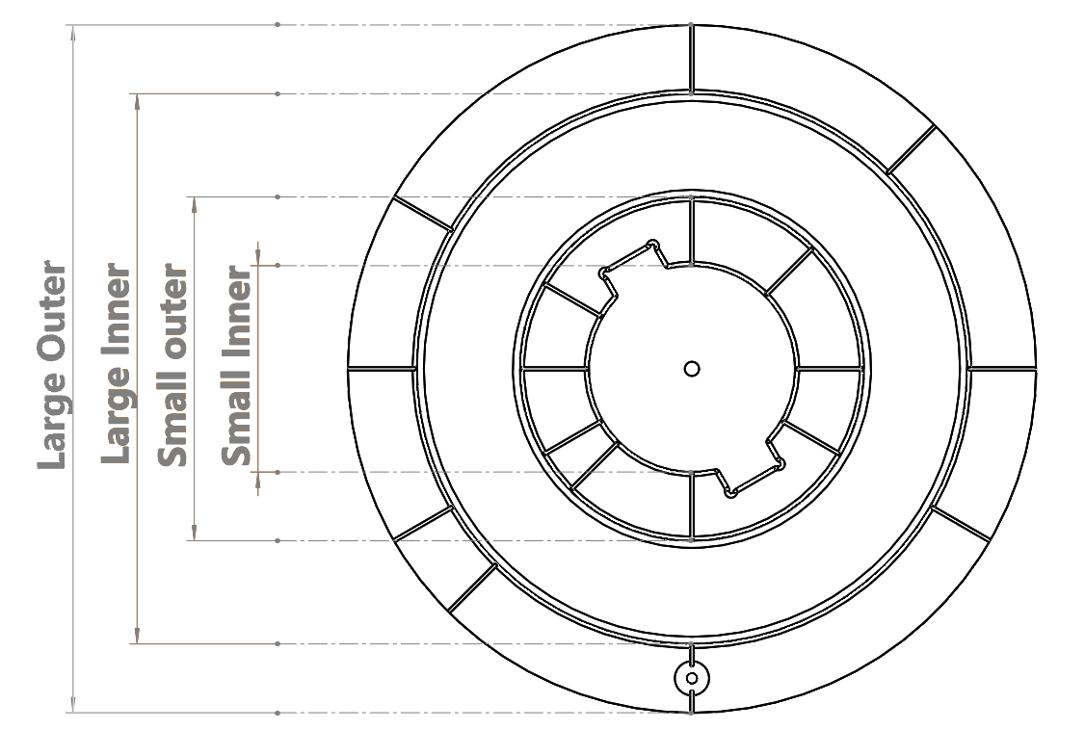
 |  | 2 | 0
Large Holes
No. | Inner(mm) | Average(mm) | Under size? |  | Hint:Precision indicates how homogeneous your circle is. While Accuracy shows how much your circle deviates from design
1 | 79.86 | 79.86 | Yes
2 | 79.87 |  | Off Set(mm)
3 | 79.82 |  | (0.18)
4 | 79.91 |  | Score(%) |  | Grade | Score
5 | 79.84 |  | Precision | 60.00% | 9 | 1.3 out of 2.5
6 | 79.88 |  | Accuracy | 40.00% | IT10
Large Shafts
No. | Outer(mm) | Average(mm) | Over size? |  | Hint:Here the precision uses chart ISO 286-2,while accuracy uses chart ISO 286. To see details please check Misc tab
1 | 99.92 | 99.93 | No
2 | 99.96 |  | Off Set(mm)
3 | 99.95 |  | (0.11)
4 | 99.89 |  | Score(%) |  | Grade | Score
5 | 99.90 |  | Precision | 70.00% | 8 | 1.95 out of 2.5
6 | 99.97 |  | Accuracy | 90.00% | IT9
Small Holes
No. | Inner(mm) | Average(mm) | Under size? |  | If your printer score badly this part. Dont worry. Most printers wont score over 50%
1 | 29.93 | 29.93 | Yes
2 | 29.95 |  | Off Set(mm)
3 | 29.92 |  | (0.13)
4 | 29.87 |  | Score(%) |  | Grade | Score
5 | 29.93 |  | Precision | 40.00% | 10 | 1 out of 2.5
6 | 29.97 |  | Accuracy | 40.00% | IT10
Small Shafts
No. | Outer(mm) | Average(mm) | Over size? |  | Only when a hole is not under size and a shaft is not over size. It can be granted H/h grade
1 | 49.98 | 49.94 | No
2 | 49.91 |  | Off Set(mm)
3 | 49.96 |  | (0.09)
4 | 49.92 |  | Score(%) |  | Grade | Score
5 | 49.94 |  | Precision | 60.00% | 9 | 1.8 out of 2.5
6 | 49.95 |  | Accuracy | 90.00% | IT9
End of the section, please proceed to the next tab

Art
BenchoO

An Universal 3D printer test standard
Part3: Art

Section 1
Art1 |  |  |  |  | 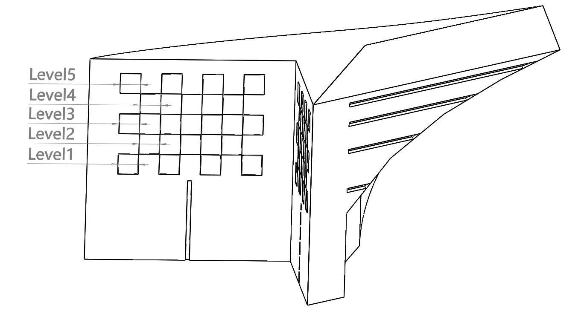
Print Time |  | Hour | Min | Hint:You must use your actual print time.
 |  | 1 | 8

Subject | Condition | Score
Overhang Level | 4 | 4 out of 4

cameo level | 3 | 2.4 out of 4 |  |  | 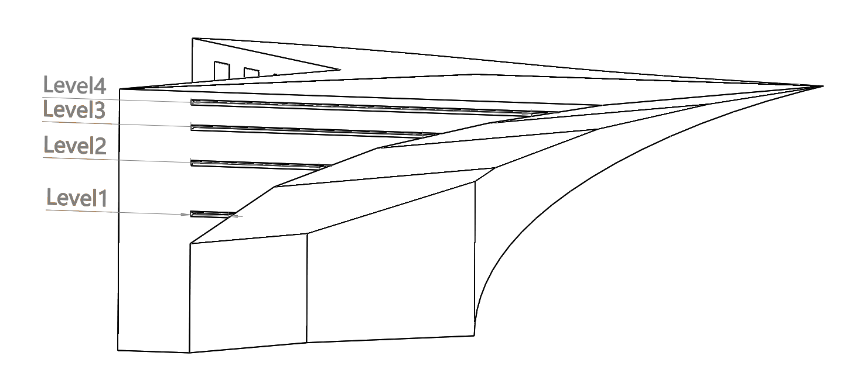

Ringing size(Included) | 4mm | 3.5 out of 5

Art2
Print Time |  | Hour | Min | Hint:You must use your actual print time.
 |  | 0 | 49

Subject | Condition | Score |  |  | 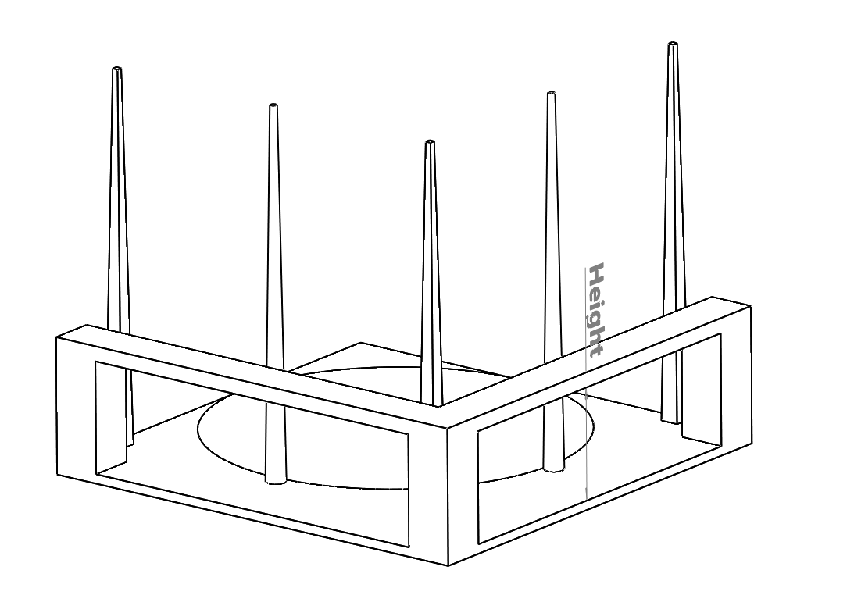
Clear space between bridge | Yes | 1 out of 1

Bridge to bottom Distance(mm) | 11.42 | 2.86 out of 3

Stringing | Clean | 3 out of 3

Full hieght | Yes | 1 out of 1

Disk(Minimum layer height) | 0.05mm | 2.8 out of 4

Sum | 20.56 out of 25

End of the Test. Please check Result Tab for detailed summary

Result
BenchoO

An Universal 3D printer test standard
Result

XY relative precision |  | 91.40%
XY accuracy |  | 50.00%
Small Scale accuracy |  | 70.00%
Z axis accuracy |  | 70.00%
Basic Precision
Subject | Score | Score(%) | Sum |  | Score | Score(%)
XY relative precision | 3.66 out of 4 | 91.40% |  |  | 13.08 out of 18 | 72.69%
XY accuracy | 3 out of 6 | 50.00%
Small Scale accuracy | 2.8 out of 4 | 70.00%
Z axis accuracy | 2.8 out of 4 | 70.00%

Surface Flatness |  | 46.00%
Surface Parallel |  | 98.00%
Surface Curvature |  | 100.00%
Vertical Distortion |  | 90.00%
Shafts |  | 75.00%
Holes |  | 46.00%
Engineering
Subject | sub Score(%) | Sub total(%) | Sub Score | Sum | Score | Score(%)
Surface Flatness | 46.00% | 45.00% | 4.5 out of 10 |  | 15.05 out of 25 | 60.20%
Surface Parallel | 98.00%
Surface Curvature | 100.00%
Subject | Score | Score(%)
Vertical Distortion | 4.5 out of 5 | 90.00%
Shafts | 3.75 out of 5 | 75.00%
Holes | 2.3 out of 5 | 46.00%

Surface Condition | 81.25%
Fine Details | 68.89%
Bridge&Overhang | 98.25%
Art
Surface condition |  |  |  | Sum | Score | Score(%)
 |  |  | Sub Sum |  | 20.56 out of 25 | 82.24%
Stringing | 3 out of 3 | 100.00% | 6.5 out of 8
Ringing | 3.5 out of 5 | 70.00%
Fine detail
Subject | Score | Score(%) | Sub Sum
Camo Level | 2.4 out of 4 | 60.00% | 6.2 out of 9
Spike Height | 1 out of 1 | 100.00%
Disk feature | 2.8 out of 4 | 70.00%
Overhang & Bridge
Subject | Score | Score(%) | Sub Sum
Overhang | 4 out of 4 | 100.00% | 7.86 out of 8
Bridge Height | 2.86 out of 3 | 95.33%
Clear space between Bridge | 1 out of 1 | 100.00%

Engineering1 | 90.99%
Engineering2 | 100.00%
Art1 | 100.00%
Art2 | 93.53%
Time
Part | Score | Score(%) | Sum |  | Score | Score(%)
Engineering1 | 9.099 out of 10 | 90.99% |  |  | 30.71 out of 32 | 95.97%

Engineering2 | 6 out of 6 | 100.00%

Art1 | 10 out of 10 | 100.00%

Art2 | 5.612 out of 6 | 93.53%

Basic Precision | 68.11%
Engineering | 60.20%
Art | 82.24%
Time | 95.97%
Overall Sum
Subject | Score | Score(%) | Sum |  | Score | Score(%)
Basic Precision | 12.26 out of 18 | 68.11% |  |  | 78.58 out of 100 | 78.58%

Engineering | 15.05 out of 25 | 60.20%

Art | 20.56 out of 25 | 82.24%

Time | 30.71 out of 32 | 95.97%

End of the Test

